Sample Comp Statement
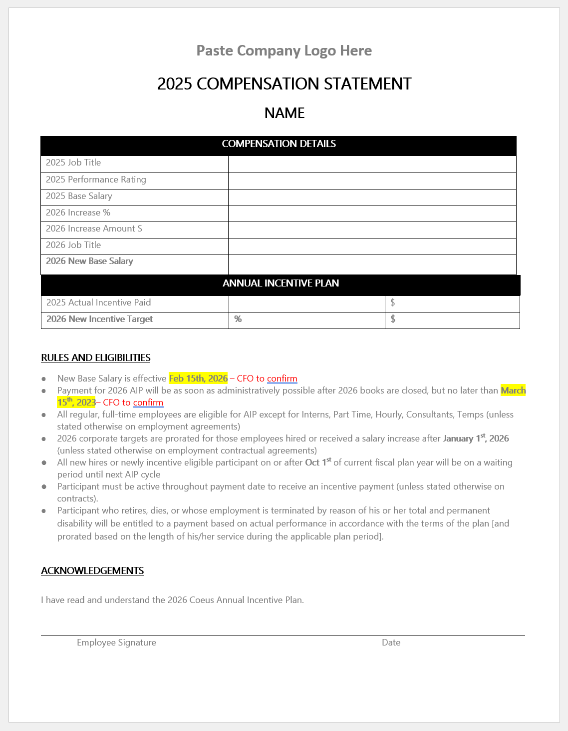
If the Total Rewards statement module is not configured in Workday, Karey may create all employee compensation statements automatically using Mail Merge (old school method)
This sheet is locked due to copy right restrictions. Contact Karey if you'd would like her to create an analogous solution to automate your manual work today

